Sheet1
 |  | Document No. | Issue No. | Issue Date |  | Review and Replace Date |  | Authorised By
 |  | GFF005MC | 4 | 28.09.2018 |  | 09.12.2021
 |  | Document Title | Red Thai Vegetable Curry & Jasmine Rice 400g
Document amendments reason for change |  | Film Updated | Page 1 of 1 |  | Previous Issue Date |  | 11.06.2021 | Uncontrolled copy unless signed original

CVTHCR-R4TEB | BOOTHS |  | RED THAI VEGETABLE CURRY & JASMINE RICE 400G
STEP 1 |  |  |  |  | STEP 2
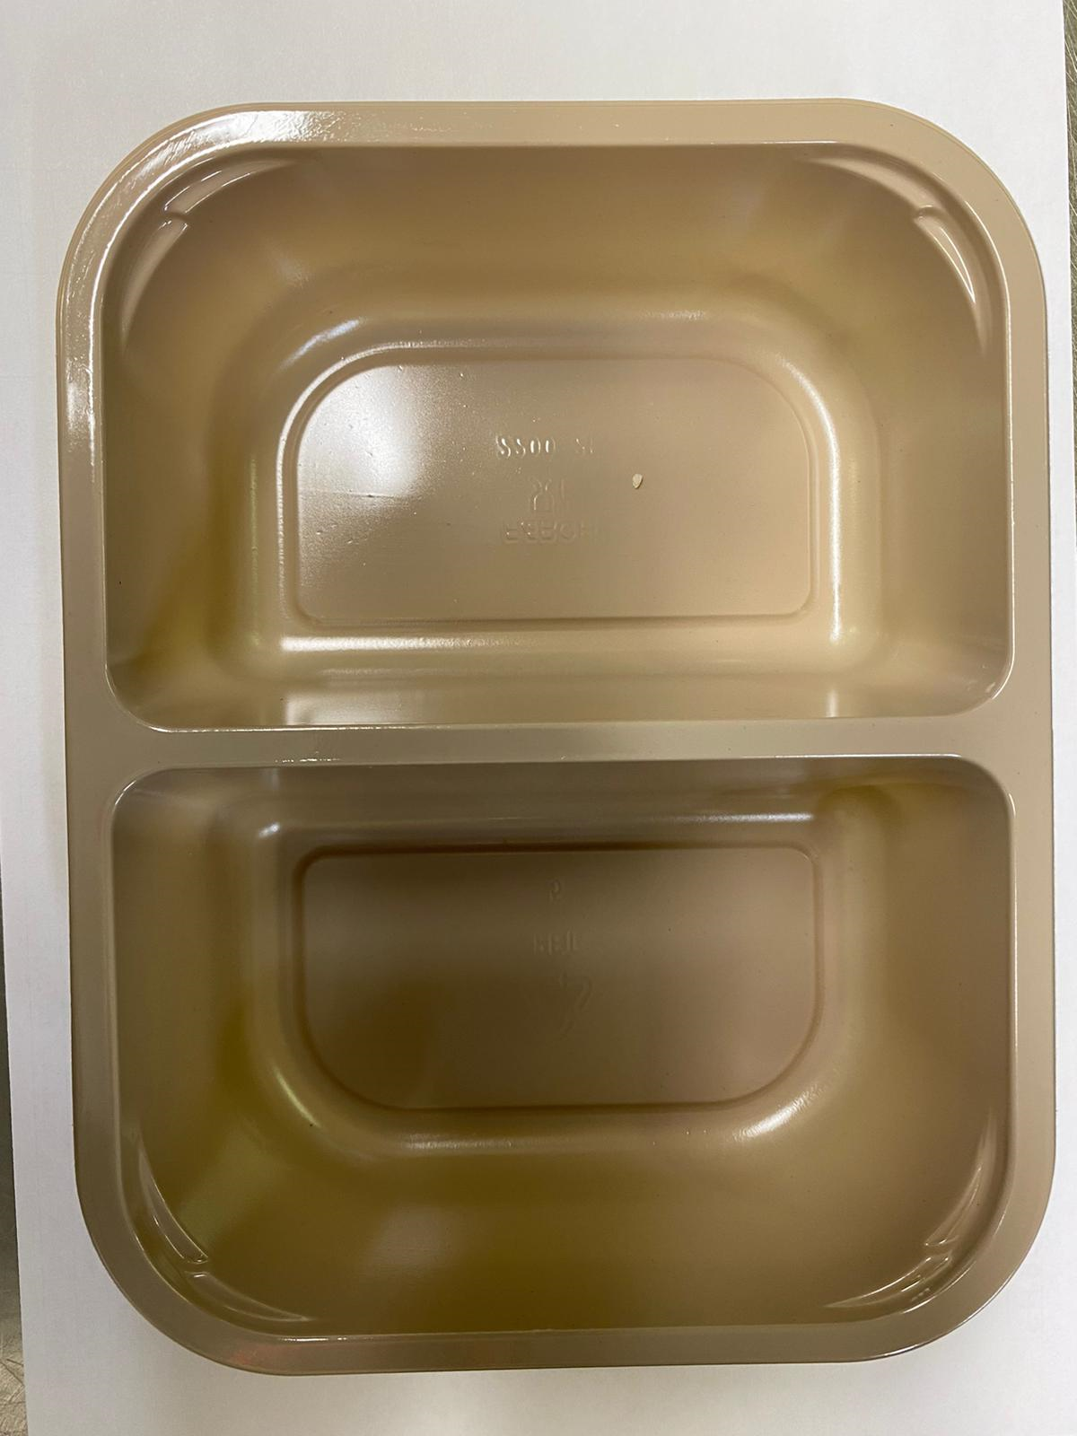 |  |  |  |  | 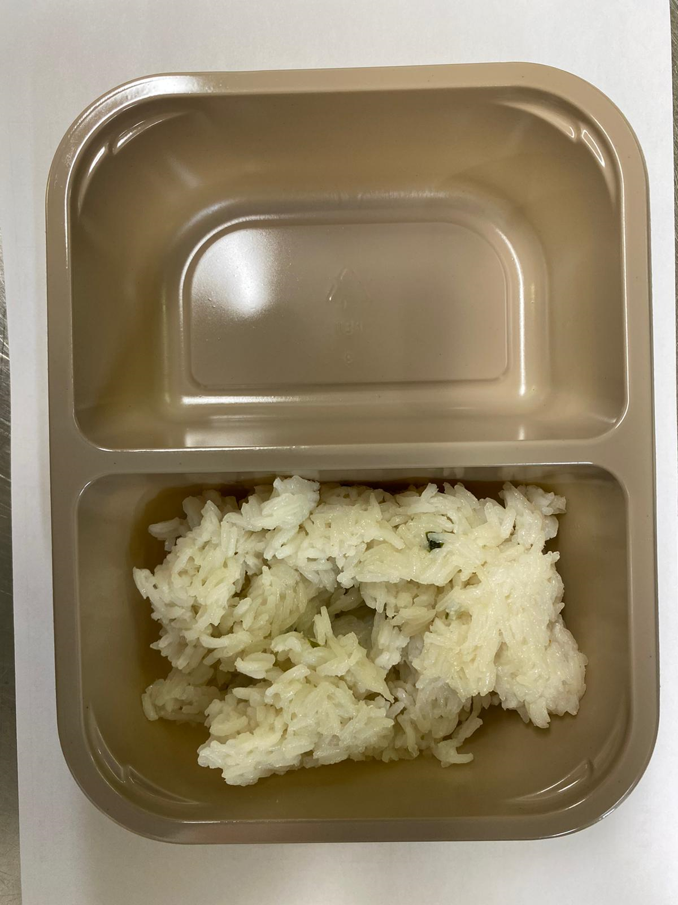

Tray: EVOLVE CPET 2200-2F (PKRHP001-10) |  |  |  |  | JASMINE RICE (GFF162R): 160g

Film: K peel 7G+25A/f- 275mm (275 mmX1000) (PKKMP001-03)

STEP 3
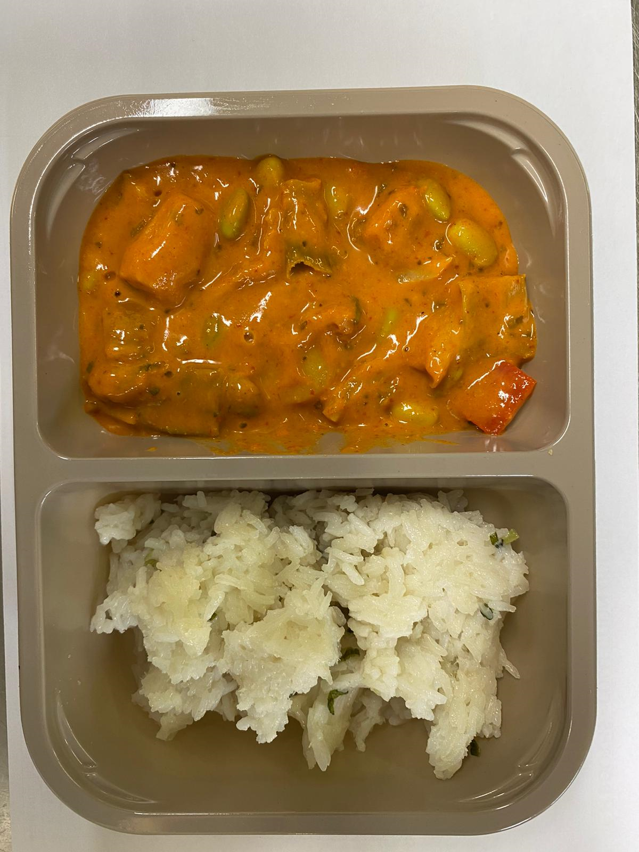

RED THAI VEGETABLE CURRY SAUCE (GFF210R): 240g |  |  |  |  | TOTAL WEIGHT: 400g

ALLERGY ALERT: SOYA, SESAME

